Sheet1
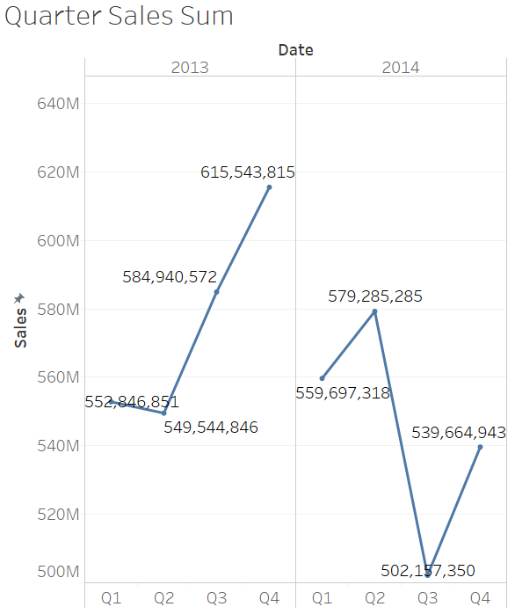
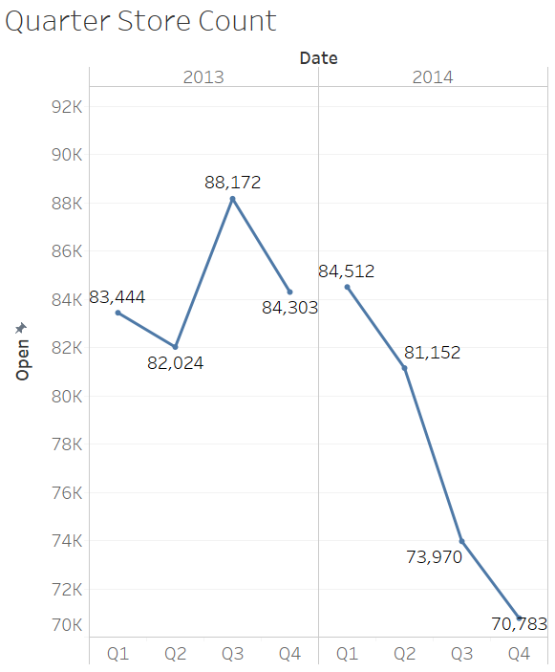
2013 | Quarter Sales Sum | Quarter Store Count | Avg Quarter Sales
Q1 | 552,846,851.00 | 83,444.00 | 6,625.36
Q2 | 549,544,846.00 | 82,024.00 | 6,699.81
Q3 | 584,940,572.00 | 88,172.00 | 6,634.09
Q4 | 615,543,815.00 | 84,303.00 | 7,301.56
2014
Q1 | 559,697,318.00 | 84,512.00 | 6,622.70
Q2 | 579,285,285.00 | 81,152.00 | 7,138.27
Q3 | 502,517,350.00 | 73,970.00 | 6,793.53
Q4 | 539,664,943.00 | 70,783.00 | 7,624.22

 | Avg Quarter Sales | Seasonal Factor
Q1 | 13,248.06 | 0.24
Q2 | 13,838.08 | 0.25
Q3 | 13,427.61 | 0.24
Q4 | 14,925.78 | 0.27
 | Sum | 1.00

